StudyData_Table 1
Particpant | Hours | Score Before | Score After | Change in Score | Q1 | Q2 | Q3 | Q4 | Q5 | Q6
1 | 45 | 53 | 82 | 29 | 4 | 3 | 5 | 4 | Interactive quiz game | Occasional crashes during lessons
2 | 18 | 57 | 65 | 8 | 2 | 4 | 3 | 3 | AI conversations | Complicated navigation
3 | 38 | 56 | 83 | 27 | 3 | 5 | 4 | 4 | Personalized learning paths | Needs more language options
4 | 15 | 48 | 56 | 8 | 1 | 3 | 2 | 2 | Daily progress tracker | User interface is not intuitive
5 | 50 | 58 | 85 | 27 | 5 | 4 | 5 | 5 | Gamification elements | Too few examples in foreign language
6 | 25 | 54 | 62 | 8 | 3 | 3 | 2 | 3 | Quiz game and feedback | Slow to load new lessons
7 | 30 | 49 | 59 | 10 | 4 | 2 | 3 | 3 | Multiple language support | Speech recognition needs improvement
8 | 35 | 60 | 70 | 10 | 4 | 3 | 4 | 4 | AI-driven practice conversations | Lacks advanced content for proficient users
9 | 28 | 46 | 60 | 14 | 3 | 2 | 4 | 3 | Variety of exercises | Repetitive tasks
10 | 10 | 70 | 68 | -2 | 2 | 1 | 1 | 1 | AI pronunciation feedback | Inaccurate translations sometimes
11 | 40 | 51 | 69 | 18 | 4 | 3 | 4 | 4 | Progress tracking and learning path | Not enough cultural context
12 | 55 | 61 | 83 | 22 | 5 | 5 | 5 | 5 | Comprehensive lessons | Nothing, it's great
13 | 52 | 58 | 69 | 11 | 1 | 1 | 0 | 1 | The lessons are engaging and fun. | A few games were a bit too easy
14 | 22 | 55 | 57 | 2 | 2 | 2 | 3 | 2 | Interactive games and quizes | Limited number of stories
15 | 26 | 51 | 54 | 3 | 3 | 3 | 2 | 3 | Grammar tips from AI | Some lessons are too long
16 | 32 | 59 | 65 | 6 | 3 | 4 | 5 | 4 | Real-time feedback | Occasional technical glitches
17 | 12 | 49 | 51 | 2 | 1 | 2 | 1 | 1 | Cultural insights | Frequent crashes
18 | 29 | 65 | 68 | 3 | 4 | 5 | 3 | 4 | Learning games | Some games can be too easy
19 | 48 | 60 | 87 | 27 | 5 | 4 | 5 | 5 | Extensive vocabulary lists | More examples needed in some sections
20 | 20 | 47 | 56 | 9 | 2 | 2 | 3 | 2 | Flashcard game | Would have loved more flashcard variety
21 | 5 | 71 | 73 | 2 | 3 | 2 | 2 | 3 | Real-time feedback on pronunciation | A lot of the time AI didn't unerstand what I was saying
Chart Title
v2

StudyData_Table2
Score | Q1 | Q2 | Q3 | Q4
0 Strongly disagree | 0 | 0 | 1 | 0
1 | 3 | 2 | 2 | 3
2 | 4 | 6 | 4 | 3
3 | 6 | 6 | 5 | 6
4 | 5 | 4 | 4 | 6
5 Strongly agree | 3 | 3 | 5 | 3

Analysis
Participant satisfaction with the app
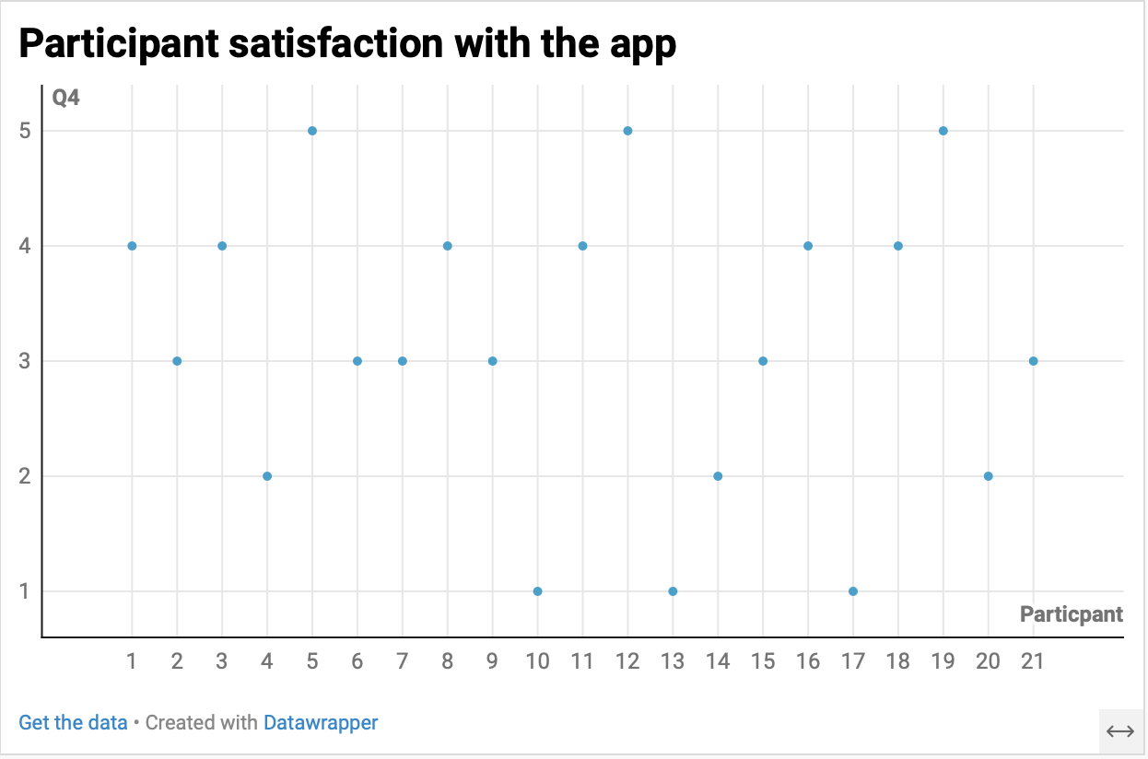
 | Participant satisfaction with the app
1 | 4
2 | 3
3 | 4
4 | 2
5 | 5
6 | 3
7 | 3
8 | 4
9 | 3
10 | 1
11 | 4
12 | 5
13 | 1
14 | 2
15 | 3
16 | 4
17 | 1
18 | 4
19 | 5
20 | 2
21 | 3

How participant satisfaction is related to learning outcomes
Participant Satisfaction vs. Learning Outcomes
 | Q4 | Q4
3 | 4 | 4
4 | 3 | 3
5 | 4 | 4
3 | 2 | 2
4 | 5 | 5
3 | 3 | 3
2 | 3 | 3
3 | 4 | 4
2 | 3 | 3
1 | 1 | 1
3 | 4 | 4
5 | 5 | 5
1 | 1 | 1
2 | 2 | 2
3 | 3 | 3
4 | 4 | 4
2 | 1 | 1
5 | 4 | 4
4 | 5 | 5
2 | 2 | 2
2 | 3 | 3

The relationship between actual learning outcome and perceived learning outcomes of the participants

